manual
Introduction
The S3C segmentation light-tool is designed as a simple and highly accessible tool to to obtain a quick scan of the characteristics of a user population in a smart grid project.
It is based on the comprehensive segmentation model of energy saving behaviour developed by Sütterlin et al. (2011).
In its current form, we advise to use the segmentation light-tool primarily to gain hands-on experience with segmentation as a way to get acquainted with the approach.
It is equally interesting to apply the tool in real life settings for further testing and development.
More testing would be needed to assess value of the light-tool for the various application areas in the context of smart grids.
The segmentation light-tool was developed in the EU FP7 project S3C as part of its toolbox for user engagement. For further information see:
 | http://www.s3c-project.eu/
 | http://www.smartgrid-engagement-toolkit.eu/

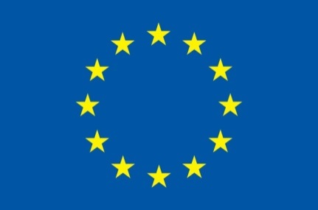

 |  |  | This project has received funding from the European Union’s Seventh Programme for research, technological development and demonstration under grant agreement No 308765

Directions for use
The light-tool is used in the following way:
 | Go to tab 'questions'
 | For each question, fill in the most appropriate value in the column 'Score'
 | When you're done, move to the tab 'results'
 | The table indicates for each topic the distance from the different segments on a scale from 0 to 5
 | The bar charts indicate:
 |  | a) the average distance from the different segments on a scale of 0 to 5, and
 |  | b) a corresponding ranking of segments from smallest (rank = 1) to largest distance (rank = 6)

Please be aware that:
 | All questions need to be completed to arrive at a valid result!

Here is a brief description of the six segments:
 | The percentages indicate the relative number of people represented in each segment on the basis of the study in Switserland (Sütterlin et al. 2011)

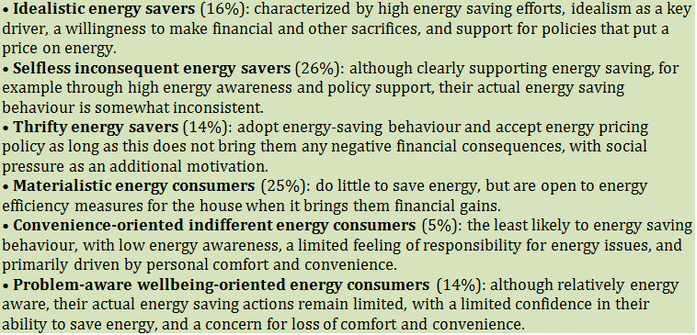

More information
See the S3C segmentation light-tool description at:
 | http://www.smartgrid-engagement-toolkit.eu/
Or contact:
 | pieter.valkering@vito.be

References
Sütterlin, B., Brunner, T. , Siegrist, M. (2011). Who puts the most energy into energy conservation? A segmentation of energy consumers based on energy-related behavioural characteristics. Energy Policy 39: 8137–8152.

results
Topic | Subtopic | Score | Distance
 |  |  | Idealistic | Selfless inconsequent | Thrifty | Materialistic | Convenience-oriented indifferent | Problem-aware wellbeing-oriented
Energy saving in the house |  | #DIV/0! | #DIV/0! | #DIV/0! | #DIV/0! | #DIV/0! | #DIV/0! | #DIV/0!
Energy saving and travel |  | #DIV/0! | #DIV/0! | #DIV/0! | #DIV/0! | #DIV/0! | #DIV/0! | #DIV/0!
Energy and food |  | #DIV/0! | #DIV/0! | #DIV/0! | #DIV/0! | #DIV/0! | #DIV/0! | #DIV/0!
Energy saving measures |  | 0.00 | 1.75 | 1.11 | 1.64 | 1.55 | 1.15 | 0.81
Motivations | Financial | #DIV/0! | #DIV/0! | #DIV/0! | #DIV/0! | #DIV/0! | #DIV/0! | #DIV/0!
 | Consciousness | #DIV/0! | #DIV/0! | #DIV/0! | #DIV/0! | #DIV/0! | #DIV/0! | #DIV/0!
Policy acceptability | Sales regulations | #DIV/0! | #DIV/0! | #DIV/0! | #DIV/0! | #DIV/0! | #DIV/0! | #DIV/0!
 | Use regulations | #DIV/0! | #DIV/0! | #DIV/0! | #DIV/0! | #DIV/0! | #DIV/0! | #DIV/0!
Effectiveness of measures |  | #DIV/0! | #DIV/0! | #DIV/0! | #DIV/0! | #DIV/0! | #DIV/0! | #DIV/0!
Opportunities for making energy conscious choices | Knowledge availability | #DIV/0! | #DIV/0! | #DIV/0! | #DIV/0! | #DIV/0! | #DIV/0! | #DIV/0!
 | Impact | #DIV/0! | #DIV/0! | #DIV/0! | #DIV/0! | #DIV/0! | #DIV/0! | #DIV/0!
Your view on the energy issue |  | #DIV/0! | #DIV/0! | #DIV/0! | #DIV/0! | #DIV/0! | #DIV/0! | #DIV/0!
Your view on self-responsibility | Ascription of responsibility | #DIV/0! | #DIV/0! | #DIV/0! | #DIV/0! | #DIV/0! | #DIV/0! | #DIV/0!
 | Personal norms | #DIV/0! | #DIV/0! | #DIV/0! | #DIV/0! | #DIV/0! | #DIV/0! | #DIV/0!
The importance of energy saving | Basic convictions | #DIV/0! | #DIV/0! | #DIV/0! | #DIV/0! | #DIV/0! | #DIV/0! | #DIV/0!
 | Loss of comfort | #DIV/0! | #DIV/0! | #DIV/0! | #DIV/0! | #DIV/0! | #DIV/0! | #DIV/0!
Energy and society* | Perceived social pressure | #DIV/0! | #DIV/0! | #DIV/0! | #DIV/0! | #DIV/0! | #DIV/0! | #DIV/0!
 | Enjoyment of life | #DIV/0! | #DIV/0! | #DIV/0! | #DIV/0! | #DIV/0! | #DIV/0! | #DIV/0!
 | Interference with freedom of choice | #DIV/0! | #DIV/0! | #DIV/0! | #DIV/0! | #DIV/0! | #DIV/0! | #DIV/0!
 |  |  | The above table indicates for each topic the average distance from the different segments on a scale from 0 to 5

Distance average |  |  | #DIV/0! | #DIV/0! | #DIV/0! | #DIV/0! | #DIV/0! | #DIV/0!
Rank |  |  | #DIV/0! | #DIV/0! | #DIV/0! | #DIV/0! | #DIV/0! | #DIV/0!

 | Average distance from the different segments on a scale of 0 to 5 |  |  |  |  | The corresponding rank of the different segments ranging from (smallest = 1) to largest distance (rank = 6)

* The topic 'Energy and society' is not taken into account for calculating the 'Distance average' and is included only for comparison

